1
WINDY GROUP
SAMPLE REQUISITION FORM

Merchandiser Name |  | NAHID/RAJIB |  |  |  |  |  | 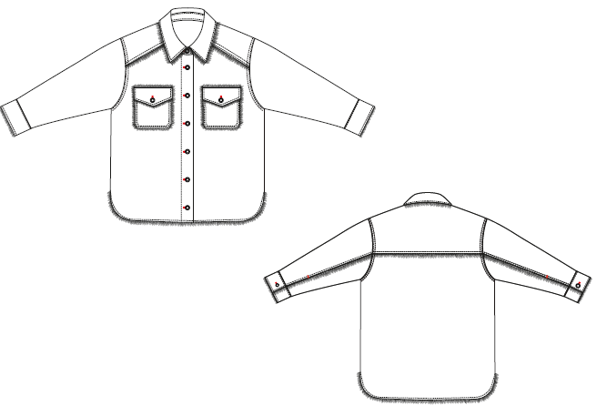 Item Picture
Buyer |  | MANGO
Style |  | LILY OVERSHIRT-LIGHT PINK
Item |  | Ladies Shirt
Sample Type |  | DEVELOPMENT SAMPLE
Sample Requisition Date |  | 25-Aug-22
Sample Required Date |  | 26-Aug-22
Techpeck Issue Date |  | 9-Aug-22
Comments Issue Date
PATTERN |  | AS ATTACHED
Styling
Option
Size |  |  | S
Quantity |  |  | 2
Type of Wash
Part - 1 |  |  |  |  | Part - 2
Fabric & Trims | Issue Date | Yes / No | Remarks |  | Fabric & Trims |  | Issue Date | Yes / No | Remarks
Shell Fabric |  |  | 200872 |  | Back Label
 |  |  |  |  | Back Label
Pocketing |  |  | Cotton Sheeting
TOP |  | 20/3 | CottonThread
INSIDE STITCH THREAD |  | 20/2 | CottonThread
BARTACK |  | 40/2 | CottonThread
Overlock |  | 40/2 | CottonThread
 |  |  |  | Fabric Swatch |  | Pocketing Swatch |  |  |  | Thread Swatch
Note: Sampling Target

* 07 Days for fit sample submission
* 10 Days for Size-set sample submission
* 07 Days for PP sample submission
Any comments must be get by 07 days.

 |  |  |  |  |  | Merchandiser |  |  |  |  | Sample Checked By

